Sheet1
Drone coordinate | SVM confidence value
(0,0) | 98.00% | Model type | Software and project management Methodologies
(1,1) | 97.00% | Characteristics | WF | Sp | Ag | Sc | Ka | Scb | Ex | APF | Le | CP | CC | NPI | PER | OM | SS | PMI | P2 | RAD
(2,2) | 90.00% | Cost and budget | M | H | H | H | H | H | H | H | H | H | H | H | H | H | H | H | H | H
(3,3) | 85.00% | Team size | L | H | H | H | L | H | L | H | L | H | H | H | H | H | M | H | M | L
(4,4) | 0.00% | Ability to take risks | H | H | H | H | L | H | L | M | L | L | L | L | H | H | H | H | L | L
(5,5) | 0.00% | Flexibility | L | H | H | H | H | H | H | H | H | H | H | H | H | H | H | H | L | H
(6,6) | 0.00% | stakeholder collaboration | L | H | H | H | H | H | H | H | M | H | H | H | H | H | H | H | H | H
(7,7) | 0.00% | Project Scale | M | H | H | H | H | H | L | H | M | H | H | L | H | H | H | H | H | H
(8,8) | 0.00% | Documentation Level | H | M | H | H | H | H | M | H | H | H | H | H | H | H | H | H | H | H
(9,9) | 0.00% | Complexity | L | M | H | H | M | H | M | H | L | H | H | H | H | M | H | H | L | H
(10,10) | 0.00% | L- LOW, H - HIGH, M - MID

Drone coordinate | YOLO confidence value
(0,0) | 99.00%
(1,1) | 97.00%
(2,2) | 90.00%
(3,3) | 85.00%
(4,4) | 60.00%
(5,5) | 50.00%
(6,6) | 0.00%
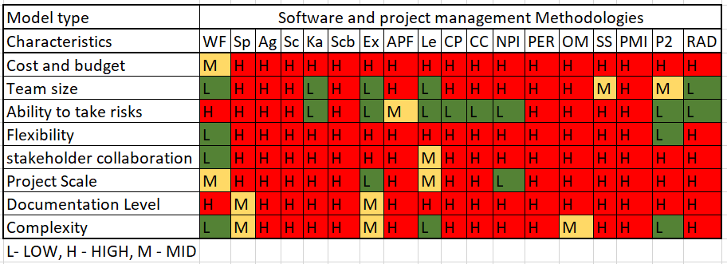
(7,7) | 0.00%
(8,8) | 0.00%
(9,9) | 0.00%
(10,10) | 0.00%

Drone coordinate | HAAR confidence value
(0,0) | 100.00%
(1,1) | 100.00%
(2,2) | 100.00%
(3,3) | 85.00%
(4,4) | 60.00%
(5,5) | 50.00%
(6,6) | 0.00%
(7,7) | 0.00%
(8,8) | 0.00%
(9,9) | 0.00%
(10,10) | 0.00%

